Accomodations
 |  |  |  | 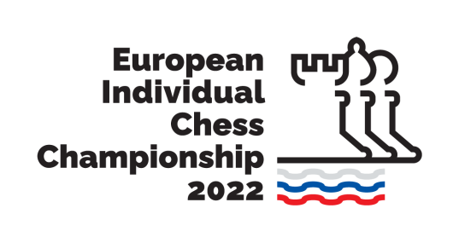
European Individual Chess Championship 2022, 26 March - 7 April 2022, Brežice, Terme Čatež

NO | FED | SURNAME | NAME | DUTY | Arrival Date | Departue Date | Total Day | Organization Fee | Hotel | Room | Price | Room Total | Total
РАСШИФ- РОВКА |  | Фамилия как в загранпаспорте | Имя как в загранпаспорте | Player Acc Person Coach
1
2
3
4
5
6

 | HOTEL PRICES
 | HOTEL | Single FB | Double FB
 | Hotel Terme **** | 96 € | 82 €
 | Hotel Toplice **** | 94 € | 80 €
 | Hotel Čatež *** | 89 € | 74 €

